B
Add arrows to show increase/ decrese in 'nav' as compared to previous day. It should look like the image as shown. |  |  |  | Add Data bars in next column. It should look like the image as shown.
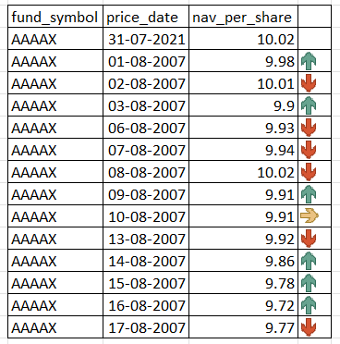
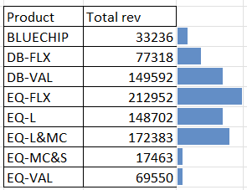
fund_symbol | price_date | nav_per_share
AAAAX | 2021-07-31 | 10.02 |  | Product | Total rev
AAAAX | 2021-08-02 | 9.98 | 9.98 | BLUECHIP | 33236 | 33236
AAAAX | 2021-08-03 | 10.01 | 10.01 | DB-FLX | 77318 | 77318
AAAAX | 2021-08-04 | 9.9 | 9.9 | DB-VAL | 149592 | 149592
AAAAX | 2021-08-05 | 9.93 | 9.93 | EQ-FLX | 212952 | 212952
AAAAX | 2021-08-06 | 9.94 | 9.94 | EQ-L | 148702 | 148702
AAAAX | 2021-08-09 | 10.02 | 10.02 | EQ-L&MC | 172383 | 172383
AAAAX | 2021-08-10 | 9.91 | 9.91 | EQ-MC&S | 17463 | 17463
AAAAX | 2021-08-11 | 9.91 | 9.91 | EQ-VAL | 69550 | 69550
AAAAX | 2021-08-12 | 9.92 | 9.92
AAAAX | 2021-08-13 | 9.86 | 9.86
AAAAX | 2021-08-16 | 9.78 | 9.78
AAAAX | 2021-08-17 | 9.72 | 9.72
AAAAX | 2021-08-18 | 9.77 | 9.77

